Experimentation results
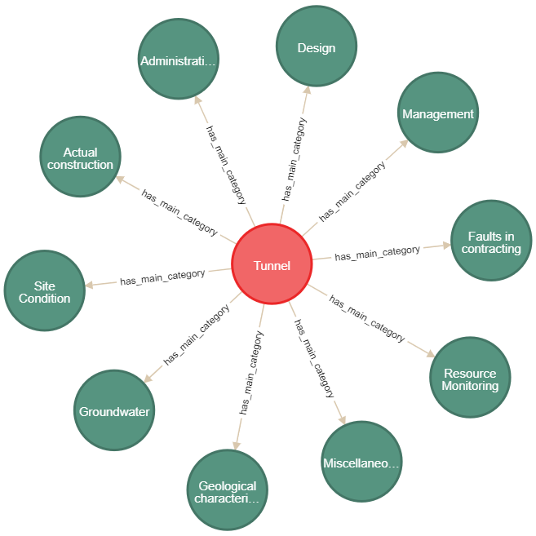
expert | Result 1 |  | Result 2 |  | Result 3
 |  |  |  |  | Risk category | Sub category risk | Risk factor
 | Project type | Main category | Risk category | Sub category risk | Design Risk | Technical error in Design | Poor Judgement in design
 | Tunnel | Geological characteristic | Design Risk | Technical error in Design |  |  | Incompatible Construction Method Selection misinterpretation of site information provided by owner.
 |  | Site Condition |  | Delays in design changes |  |  | Not sharing 100 percent correct site information to design team
 |  | Groundwater |  |  |  | Delays in design changes | Modification of design during construction.
 |  | Actual construction |  |  |  |  | Incomplete plans provided to design department from planning
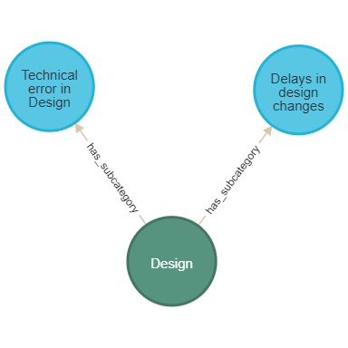
 |  | Administration
 |  | Design
 |  | Management
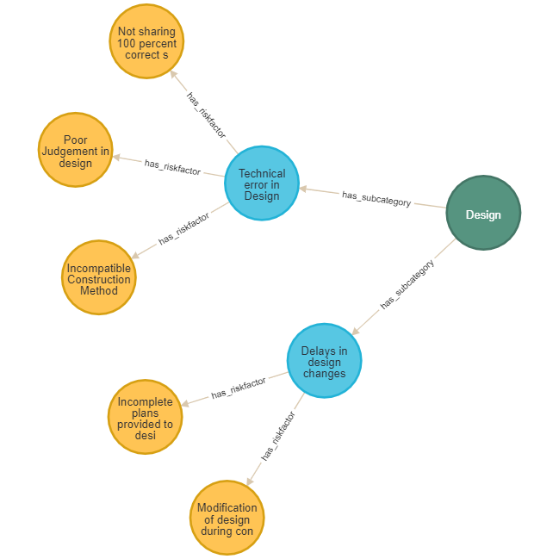
 |  | Faults in contracting
 |  | Resource Monitoring
 |  | Miscellaneous

